Sheet1
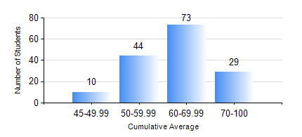
 |  |  | KWAME NKRUMAH UNIVERSITY OF SCIENCE AND TECHNOLOGY, KUMASI Department of Geomatic Engineering

 |  |  | BSC. GEOMATIC ENG.

 |  |  | COMPREHENSIVE RECORD OF EXAMINATION RESULTS

 |  |  | RESULTS OF YEAR 4 FIRST SEMESTER, 2023/2024 ACADEMIC YEAR

 | Sn | Course Code |  | Course Name | Credit Hours | Min. Mark | Max. Mark | Avg. Mark | Std. Dev. | No. Passed | No. Trailed | No. (Df) | No. (I) | No. (I*) | No. Tagged(I,I*,Df) | Total
 | 0. |  |  |  |  |  |  | 0 | 0 | 0 | 0 | 0 | 0 | 0 | 0 | 2
 | 1. | CE 461 |  | ENG ECONOMY AND ENTERPRENEURSHIP DEVELOPMENT | 3 | 13 | 96 | 62 | 16.57 | 153 | 1 | 0 | 0 | 0 | 0 | 154
 | 2. | GE 451 |  | GEODETIC SURVEYING II | 3 | 13 | 91 | 57 | 17.19 | 140 | 14 | 0 | 0 | 0 | 0 | 154
 | 3. | GE 461 |  | CADASTRAL SURVEYING | 3 | 40 | 95 | 61 | 11.21 | 154 | 0 | 0 | 0 | 0 | 0 | 154
 | 4. | GE 463 |  | LAND AND GEOGRAPHIC INFORMATION SYSTEM I | 3 | 52 | 95 | 75 | 11.12 | 154 | 0 | 0 | 0 | 0 | 0 | 154
 | 5. | GE 475 |  | RESEARCH METHODS | 2 | 32 | 83 | 56 | 9.95 | 152 | 2 | 0 | 0 | 0 | 0 | 154
 | 6. | GE 491 |  | PROJECT I | 4 | 57 | 85 | 73 | 6 | 154 | 0 | 0 | 0 | 0 | 0 | 154

